Columns - Simulation
SALES REPORT - NON-TRADE | Books of Accounts |  |  |  |  |  |  |  |  |  |  |  |  |  |  |  |  | SUMMARY LIST OF SALES (SLS) |  |  |  |  |  |  |  | DEBITS |  | CREDITS
S/4 HANA | Posting Date | TIN | Registered Name | Address | Address 2 | Total Amount | Non-Revenue | Revenue | NFT | LFT | VAT | Discount | Header Text | Reference | Document Number | Invoice Number | Debit Memo Number | Not Qualified for Output VAT | Exempt | Zero-rated | Taxable Net of VAT | VAT | Output VAT | Total Sales | Gross Taxable | AR GL Account Number | AR GL Account Name | AR GL Account Number | AR GL Account Name | Invoice/Debit Memo Date | Bill Period | Posting Key | Document Type | VAT Code | WHT Code | Business Partner Code | Company Code | Business Place | Sales Office | Profit Center

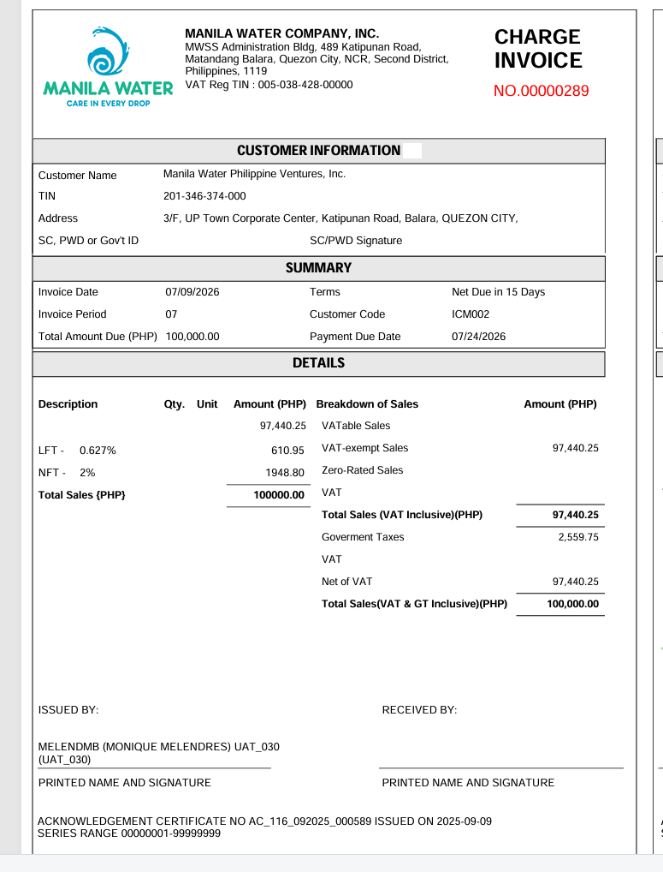
 | MM/DD/YYYY - Date when the transaction is posted. | TIN per BP Information | Name per BP Information | Address per BP Information | Address per BP Information | Total Debits to AR Accounts | Non-Revenue GL Accounts | Revenue GL Accounts | NFT amount of the transaction | LFT amount of the transaction | Value Added Tax amount of the transaction | Discount amount of the transaction | General description of the transaction | Sub-description of 'Header Text' pertaining to the transaction | Assigned series number for the transaction | Assigned series number for BIR-registered invoice. (ODN) | Assigned series number for BIR-registered DM. (ODN) | VAT Code is O0 | Various - Please refer to VAT Code Tab | VAT Code is O1 | VAT Code is O3 | 12% | VAT Amount | Total of Exempt, Zero-rated and Taxable Net of VAT | Total Sales plus Output VAT | These pertain to the corresponding debit GL accounts. | These pertain to the corresponding debit GL accounts. | These pertain to the corresponding credit GL accounts. | These pertain to the corresponding credit GL accounts. | Date of Invoice or DM | is a period of time used to specify billing dates | A number that classifies accounting documents and determines how they are processed | A key that is used to classify accounting documents in SAP | VAT Code for the transaction | Blank | Unique number assigned to the business partners | Unique number assigned to the customers | A unique identifier for a company or legal entity | Unique code identifier for offices with BIR Registration | Unique code identifier per unit/department.
 |  | See BP Information tab for the details and sequence for address |  |  |  | Debits - AR Account | Credits - Non-Revenue GL Accounts | Credits - Revenue GL Accounts | Credits - 2301121007 Deferred National FT | 2301121006 Deferred Local FT | 2301122001 - Deferred Output VAT / 2301121002 - Deferred Output VAT NRFC |  |  | 289 |  |  |  | Credits - Based on VAT Code of Revenue Items |  |  |  |  | Credits - VAT GL Account |  |  |  |  |  |  |  |  |  |  | See VAT Code Tab
Collection Journal | 2026-07-09 | 201-356-374-000 | Manila Water Philippine Ventures, Inc. | 3/F, UP Town Corporate Center, XXXX |  | 100,000.00 |  | 97440.25 | 1948.8 | 610.95 | 0 | 0 | Doc. Header Text | 00000289 | 1400000155 | 00000289 |  |  | 97,440.25 |  |  |  |  | 97,440.25 | 97440.25
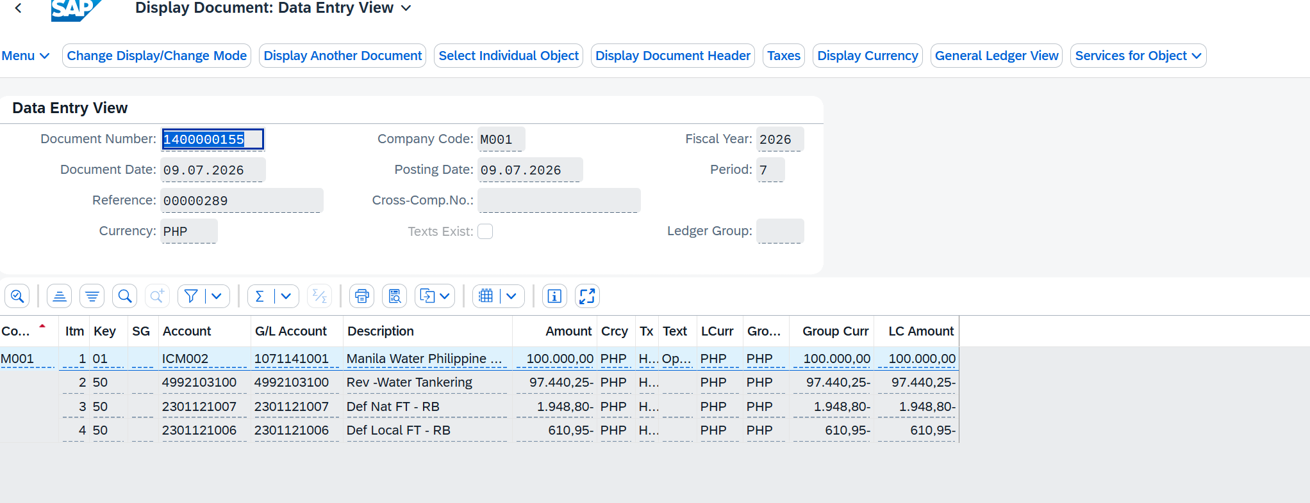
Detailed List | 2026-07-09 | 201-356-374-000 | Manila Water Philippine Ventures, Inc. | 3/F, UP Town Corporate Center, XXXX |  | 97,440.25 |  | 97440.25 |  |  |  |  | Doc. Header Text | 00000289 | 1400000155 | 00000289 |  |  | 97,440.25 |  |  |  |  | 97,440.25 | 97440.25 | 1071141001 | Receivable from Subsidiaries | 4992103100 | Revenue from water tankering | 2026-07-09 | 07 | 50 | DR | H4 |  | ICM002 | M001 | H001 |  | 00101CF010
Detailed List | 2026-07-09 | 201-356-374-000 | Manila Water Philippine Ventures, Inc. | 3/F, UP Town Corporate Center, XXXX |  | 1,948.80 |  |  | 1948.8 |  |  |  | Doc. Header Text | 00000289 | 1400000155 | 00000289 |  |  |  |  |  |  |  | - | 0 | 1071141001 | Receivable from Subsidiaries | 2301121007 | Deferred National FT | 2026-07-09 | 07 | 50 | DR | H4 |  | ICM002 | M001 | H001 |  | 00101CF010
Detailed List | 2026-07-09 | 201-356-374-000 | Manila Water Philippine Ventures, Inc. | 3/F, UP Town Corporate Center, XXXX |  | 610.95 |  |  |  | 610.95 |  |  | Doc. Header Text | 00000289 | 1400000155 | 00000289 |  |  |  |  |  |  |  | - | 0 | 1071141001 | Receivable from Subsidiaries | 2301121006 | Deferred Local FT | 2026-07-09 | 07 | 50 | DR | H4 |  | ICM002 | M001 | H001 |  | 00101CF010
Sources | BKPF-BUDAT | DFKKBPTAXNUM | ADRC | ADRC | ADRC | ACDOCA-HSL | ACDOCA-HSL | ACDOCA-HSL | ACDOCA-HSL | ACDOCA-HSL | ACDOCA-HSL | ACDOCA-HSL | BKPF-BKTXT | BKPF-XBLNR | BKPF-BELNR | BKPF-XBLNR | BKPF-XBLNR | ACDOCA-HSL | ACDOCA-HSL | ACDOCA-HSL | ACDOCA-HSL | BSET | ACDOCA-HSL | calculated value | calculated value | ACDOCA - RACCT | Take SKAT- TXT50 | ACDOCA - RACCT | Take SKAT- TXT50 | BKPF-BLDAT | ACDOCA-POPER | ACDOCA-BSCHL | ACDOCA-BLART | ACDOCA-MWSKZ | NA | ACDOCA-KUNNR | ACDOCA-RBUKRS | BKPF-BRNCH |  | ACDOCA-PRCTR
 |  |  |  |  |  | If KOART="D" | if it is BS iteam | IF it is a PL item
Criteria/Logic |  | Pass ACDOCA-KUNNR to DFKKBPTAXNUM -PARTNER Take TAXNUM where TAXTYPE =”PH3” if PH3 is blank then “PH1” | Pass ACDOCA-KUNNR where line KOART = “D” pass KNA1-KUNNR take KNA1- ADRNR Pass KNA1- ADRNR to ADRC- ADDRNUMBER take ADRC-NAME1, NAME2 | Pass ACDOCA-KUNNR where line KOART = “D” pass KNA1-KUNNR take KNA1- ADRNR Pass KNA1- ADRNR to ADRC- ADDRNUMBER take ADRC- STR_SUPPL1 STREET+ HOUSE_NUM1 STR_SUPPL3, LOCATION CITY2, CITY1, POST_CODE1 | Pass ACDOCA-KUNNR where line KOART = “D” pass KNA1-KUNNR take KNA1- ADRNR Pass KNA1- ADRNR to ADRC- ADDRNUMBER take ADRC- STR_SUPPL1 STREET+ HOUSE_NUM1 STR_SUPPL3, LOCATION CITY2, CITY1, POST_CODE1 | if ACDOCA-KOART ="D" and ACDOCA-KTOSL is initial, then print HSL amount here else NIL | if ACDOCA-KOART ="S" and ACDOCA-KTOSL is initial, then Pass ACDOCA-RACCT into SKA1-SAKNR and check SKA1-XBILK="X" then the HSL amount to be print here else NIL | if ACDOCA-KOART ="S" and ACDOCA-KTOSL is initial, then Pass ACDOCA-RACCT into SKA1-SAKNR and check SKA1-XBILK <> "X" then the HSL amount to be print here else NIL | if ACDOCA-KOART ="S" and ACDOCA-KTOSL is = TVARVC ZSALES_NFT, then Print ACDOCA-HSL. Else NIL. | if ACDOCA-KOART ="S" and ACDOCA-KTOSL is = TVARVC ZSALES_LFT, then Print ACDOCA-HSL. Else NIL. | if ACDOCA-KOART ="S" and ACDOCA-KTOSL is = TVARVC ZSALES_VAT, then Print ACDOCA-HSL. Else NIL. | Charge invoice forms printing logic need to prefer here |  |  |  |  |  | if ACDOCA-KOART ="S" and ACDOCA-KTOSL is initial, and ACDOCA-MWSKZ= TVARVC ZSALES_NQVAT, then Print ACDOCA-HSL. Else NIL. | if ACDOCA-KOART ="S" and ACDOCA-KTOSL is initial, and ACDOCA-MWSKZ= TVARVC ZSALES_EXMPVAT, then Print ACDOCA-HSL. Else NIL. | if ACDOCA-KOART ="S" and ACDOCA-KTOSL is initial, and ACDOCA-MWSKZ= TVARVC ZSALES_ZEROVAT, then Print ACDOCA-HSL. Else NIL. | if ACDOCA-KOART ="S" and ACDOCA-KTOSL is initial, and ACDOCA-MWSKZ= TVARVC ZSALES_TAXNVAT, then Print ACDOCA-HSL. Else NIL. | Pass ACDOCA-BELNR ACDOCA-RBUKRS ACDOCA-GJAHR ACDOCA-MWSKZ ACDOCA-BUZEI into BSET-BELNR BSET-BUKRS BSET-GJAHR BSET-MWSKZ BSET-BUZEI and take the value of BSET-KBETR always divide the value by 10. | if ACDOCA-KOART ="S" and ACDOCA-KTOSL is = TVARVC ZSALES_VAT, then Print ACDOCA-HSL. Else NIL. | Sum of the column Exempt Zero-rated Taxable Net of VAT | Sum of the column Output VAT Total Sales | if ACDOCA-DRCRK = "S" then print ACDOCA-RACCT else Blank | Pass ACDOCA-RACCT to SKAT-SAKNR SKAT-KTOPL="MWCI" SKAT-SPRAS="EN" then print SKAT-TXT50. | if ACDOCA-DRCRK = "H" then print ACDOCA-RACCT else Blank | Pass ACDOCA-RACCT to SKAT-SAKNR SKAT-KTOPL="MWCI" SKAT-SPRAS="EN" then print SKAT-TXT50.
 |  | Take cuntry code from BP and add 3 or 1 and concatenate. Then pass to TAXTYPE |  | give the same logic but it need to aling with the CHARGE INVOICE Forms Logic | give the same logic but it need to aling with the CHARGE INVOICE Forms Logic

COLLECTION REPORT - NON-TRADE |  |  |  |  |  |  |  |  |  |  |  |  |  |  |  |  |  |  |  |  |  |  |  |  |  | DEBITS |  | CREDITS |  | CLEARED
S/4 HANA | Posting Date | TIN | Customer's Name | Address | Address 2 | Total Amount | Non-Revenue | Revenue | NFT | LFT | VAT | Discount | Header Text | Reference | Document Number | Receipt Number | Credit Memo Number | Not Qualified for Output VAT | Exempt | Zero-rated | Taxable Net of VAT | VAT | Output VAT | Total Sales | Gross Taxable | Payment GL Account Number | Payment GL Account Name | AR GL Account Number | AR GL Account Name | Clearing GL Account Number | Clearing GL Account Name | Invoice Number | Posting Key | Document Type | VAT Code | WHT Code | Business Partner Code | Company Code | Business Place | Sales Office | Profit Center

 | MM/DD/YYYY - Date when the transaction is posted. | TIN per BP Information | Name per BP Information | Address per BP Information | Address per BP Information | Total Credits to AR Accounts | Non-Revenue GL Accounts | Revenue GL Accounts | Total NFT Paid | Total LFT Paid | Total VAT Paid | Discount applied to the transaction. | General description of the transaction | Sub-description of 'Header Text' pertaining to the transaction | Assigned series number for the transaction | Assigned series number for BIR-registered receipt. (ODN) | Assigned series number for BIR-registered CM. (ODN) | Total Credits to AR if VAT Code is O0. | Total Collected Amount if VAT Code is O2 | Total Collected Amount if VAT Code is O1 | Total Collected Amount if VAT Code is O3 | 12% | VAT Amount if O3 | Total of Exempt, Zero-rated and Taxable Net of VAT | Total Sales plus Output VAT | These pertain to the corresponding debit GL accounts. | These pertain to the corresponding debit GL accounts. | These pertain to the corresponding credit GL accounts. | These pertain to the corresponding credit GL accounts. | These pertain to the corresponding credit GL accounts. | These pertain to the corresponding credit GL accounts. | Invoice Number to which the payment is applied. | A number that classifies accounting documents and determines how they are processed | A key that is used to classify accounting documents in SAP | VAT Code for the transaction | WHT Code used for the Tax Certificate. | Unique number assigned to the business partners | Unique number assigned to the customers | A unique identifier for a company or legal entity | Unique code identifier for offices with BIR Registration | Unique code identifier per unit/department.
 |  | See BP Information tab for the details and sequence for address |  |  |  | Credits - AR Account | Cleared - Non-Revenue GL Accounts | Cleared - Revenue GL Accounts | Cleared - 2301121007 Deferred National FT | Cleared - 2301121006 Deferred Local FT | Cleared 2301122001 - Deferred Output VAT / 2301121002 - Deferred Output VAT NRFC |  |  |  |  |  |  | Cleared - Based on VAT Code |  |  |  |  | Cleared VAT Amount |  |  |  |  |  |  |  |  |  |  |  | See VAT Code Tab | See WHT Code Tab
Collection Journal | 2026-07-09 | 201-356-374-000 | Manila Water Philippine Ventures, Inc. | 3/F, UP Town Corporate Center, XXXX |  | 100,000.00 |  | 97,440.25 | 1,948.81 | 610.95 | - | 0 | 09.07.2026 | 00000096 | 1600000070 | 00000096 |  |  | 97,440.25 |  |  |  |  | 97,440.25 | 97,440.25
Detailed List | 2026-07-09 | 201-356-374-000 | Manila Water Philippine Ventures, Inc. | 3/F, UP Town Corporate Center, XXXX |  | 97,440.25 |  | 97,440.25 |  |  |  |  | 09.07.2026 | 00000096 | 1600000070 | 00000096 |  |  | 97,440.25 |  |  |  |  | 97,440.25 | 97,440.25 | 1021201097 | CIB-PNB CA_IC_PHP CA#107970004202 | 1071141001 | Receivable from Subsidiaries | 4992103100 | Revenue from water tankering | 00000289 | 15 | DZ | H4 |  | ICM002 | M001 | H001 |  | 00101CF010
Detailed List | 2026-07-09 | 201-356-374-000 | Manila Water Philippine Ventures, Inc. | 3/F, UP Town Corporate Center, XXXX |  | 1,948.81 |  |  | 1,948.81 |  |  |  |  |  |  |  |  |  |  |  |  |  |  |  |  | 1021201097 | CIB-PNB CA_IC_PHP CA#107970004202 | 1071141001 | Receivable from Subsidiaries | 2301121007 | Deferred National FT | 00000289 | 15 | DZ | H4 |  | ICM002 | M001 | H001 |  | 00101CF010
Detailed List | 2026-07-09 | 201-356-374-000 | Manila Water Philippine Ventures, Inc. | 3/F, UP Town Corporate Center, XXXX |  | 610.95 |  |  |  | 610.95 |  |  |  |  |  |  |  |  |  |  |  |  |  |  |  | 1021201097 | CIB-PNB CA_IC_PHP CA#107970004202 | 1071141001 | Receivable from Subsidiaries | 2301121006 | Deferred Local FT | 00000289 | 15 | DZ | H4 |  | ICM002 | M001 | H001 |  | 00101CF010

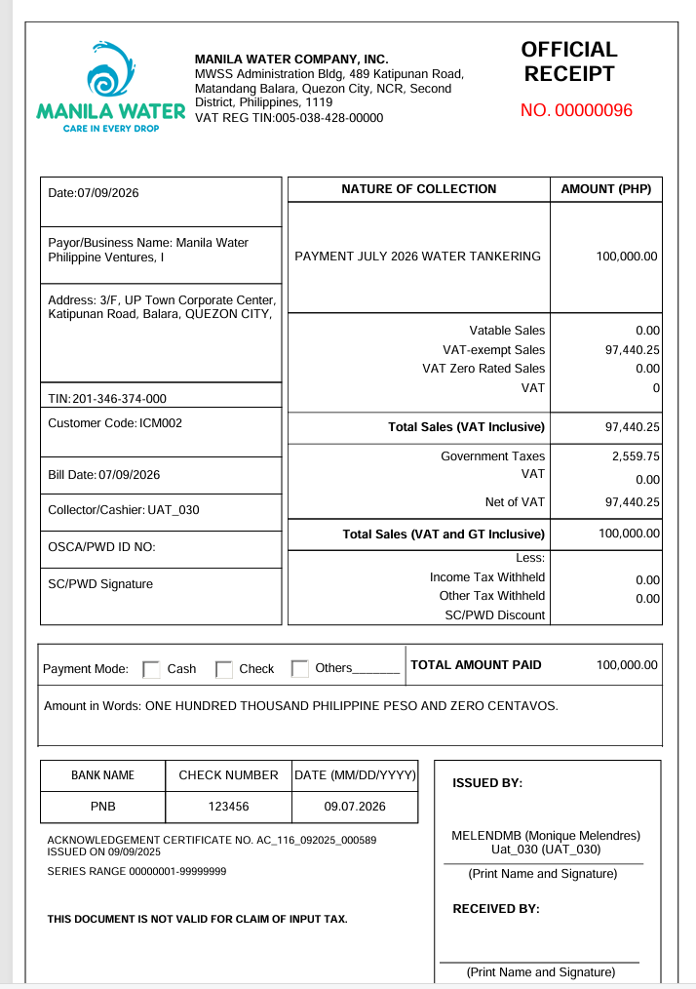

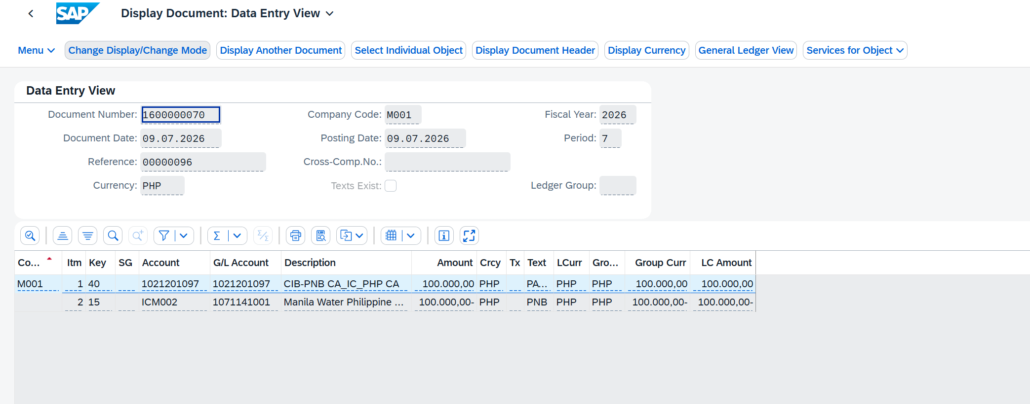

 |  |  |  |  |  |  |  |  | 48,720.12

 |  |  |  |  |  |  |  |  | 50,000.00

BP Information
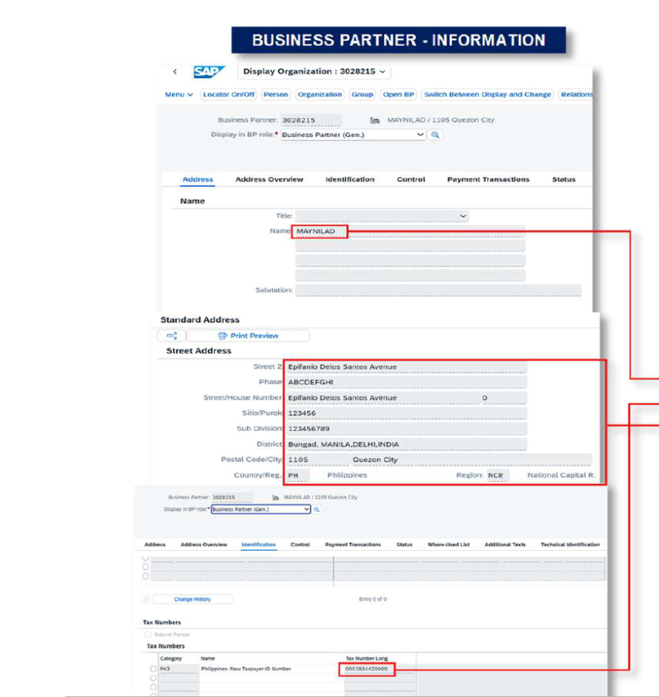

ADDRESS SEQUENCE

